Graphical Descriptive Stat
Part 1: Frequency Histogram | Grades | Grades Sorted | Class |  |  |  | Part 2. Relative Frequency Histogram | Class |  |  |  |  |  | Part 3. Cumulative Frequency Line Plot (Polygon) | Class
To create a frequency histogram of data, | 97 | 61 | Left End | Right End | Midpoint | Frequency | Relative frequencies are like percentages. For each | Left End | Right End | Midpoint | Frequency | Relative Frequency (in decimal) | Relative Frequency (in percentage) | As their name indicates, cumulative frequencies are obtained | Left End | Right End | Midpoint | Frequency | Cumulative Frequency
Step 1: Sort the data (in either ascending or descending order) | 97 | 61 | 60.5 | 68.5 | 64.5 | 4 | frequency, its corresponding relative frequency can | 60.5 | 68.5 | 64.5 | 4 | 0.16 | 16% | by an accumulations of frequencies. To calculate the cumulative frequencies, | 60.5 | 68.5 | 64.5 | 4 | 4
Step 2: Add 0.5 to the latgest measurementand subtract 0.5 from | 96 | 64 | 68.5 | 76.5 | 72.5 | 9 | be calculated by the following formula: | 68.5 | 76.5 | 72.5 | 9 | 0.36 | 36% | The first cumulative frequency = The first frequency = 4 | 68.5 | 76.5 | 72.5 | 9 | 13
the smallest. Then subtract the latter from the former: | 91 | 66 | 76.5 | 84.5 | 80.5 | 5 | Relative Frequency = Frequency / Total | 76.5 | 84.5 | 80.5 | 5 | 0.2 | 20% | The second cumulative frequency = The first cumulative + The second frequency = 4+9 = 13 | 76.5 | 84.5 | 80.5 | 5 | 18
97.5 - 60.5 = 37 | 90 | 70 | 84.5 | 92.5 | 88.5 | 4 |  | 84.5 | 92.5 | 88.5 | 4 | 0.16 | 16% | The third cumulative frequency = The second cumulative + The third frequency = 13+5 = 18 | 84.5 | 92.5 | 88.5 | 4 | 22
Step 3: Decide on the number of classes you wish to have. A rule | 87 | 70 | 92.5 | 100.5 | 96.5 | 3 | For example, to convert a frequency of 4 to its | 92.5 | 100.5 | 96.5 | 3 | 0.12 | 12% | The fourth cumulative frequency = The third cumulative + The fourth frequency = 18+4 = 22 | 92.5 | 100.5 | 96.5 | 3 | 25
of thum for the number of classes is to take square root of | 85 | 73 |  |  |  | Total: | corresponding relative frequency, we divide 4 by 25 |  |  |  | Total: | Total: | Total: | The fifth cumulative frequency = The fourth cumulative + The fifth frequency = 22+3= 25 |  |  |  | Total:
Relative Frequency Histogram
64.5 | 0.16
72.5 | 0.36
80.5 | 0.2
88.5 | 0.16
96.5 | 0.12
the sample size and round this result to a whole number. | 83 | 75 |  |  |  | 25 | (the total of all frequencies) |  |  |  | 25 | 1 | 100% |  |  |  |  | 25
Cumulative Frequency Line Plot
64.5 | 4
72.5 | 13
80.5 | 18
88.5 | 22
96.5 | 25
In this examole, there are 25 measurements and √25 = 5; so | 83 | 75 | To plot a histogram, highlight the frequencies with the mouse, |  |  |  | Relative Frequency for 4 = 4 / 25 = 0.16 (or 16%) |  |  |  |  |  |  | Note that the last cumulative frequency should always be equal to the total
we decide on having 5 classes. | 82 | 75 | click into the "Insert" menu of Excel, and Select a bar type |  |  |  |  |  |  |  |  |  |  | of frequencies (in this example, this value is 25).
Frequnecy Histogram
Step 4: Divide the result of step 2 by the result of step 3, and then | 80 | 75 | chart to obtain the following chart. |  |  |  | In this example,the relative frequencies have been |  |  |  |  |  |  | The cumulative frequencies have been calculated in column Y.
round this result up to the next whole number. This result | 77 | 76 |  |  |  |  | calculated in columns P and Q. Note that relative frequencies
is the width of each class: | 76 | 76 |  |  |  |  | should always add up to 1 (or 100%) |  |  |  |  |  |  | To plot a cumulative frequency line plot, use the mouse to highlight all cumulative
37 / 5 = 7.4 ---> round up to 8 | 76 | 77 |  |  |  |  |  |  |  |  |  |  |  | frequencies. Then Click into the "Insert" menu and select a line plot chart type.
Step 5: Create the Frequency Distribution table by writing each | 75 | 80 |  |  |  |  | Plotting a relative frequency histogram is similar to that of a |  |  |  |  |  |  | Next, right-click into the chart and select "Select Data…".
class, and the number of measurements (frequency) that | 75 | 82 |  |  |  |  | frequency histogram. Using the mouse, first highlight the relative |  |  |  |  |  |  | Under the "Category Axis labels" click into "Edit", and enter the
fall in each class. This frequency distribution is completed | 75 | 83 |  |  |  |  | frequencies. Then Click into the "Insert" menu and select a bar |  |  |  |  |  |  | Midpoint values in the box. Click "OK".
in columns E-H of this spreadsheet. | 73 | 83 |  |  |  |  | type chart. Next, right-click into the chart and select "Select Data…".
Class 1: from smallest: 60.5 to largest: 60.5 + 8 (width) = 68.5 | 70 | 85 |  |  |  |  | Under the "Category Axis labels" click into "Edit", and enter the
Class 2: from 68.5 to 68.5+8 = 76.5 | 70 | 87 |  |  |  |  | Midpoint values in the box. Click "OK".
Class 3: from 76.5 to 76.5+8= 84.5 | 66 | 90 |  |  |  |  | Lastly, to make the bars connected, right-click into one of the bars and
Class 4: from 84.5 to 84.5+8= 92.5 | 64 | 91 | There should be two changes made to the chart: the values |  |  |  | select "Format Data Series"; then reduce the "Gap Width" to a small
Class 5: from 92.5 to 92.5+8= 100.5 | 61 | 96 | on the horizontal axis should change to the Midpoint values, |  |  |  | number (such as 5%).
Step 6: For each class, calculate its midpoint. | 75 | 97 | and the bars should be connected.
Class Midpoint = (Class left End + Class Right End) / 2 | 61 | 97 | To make the first change, right-click into the chart,
The midpoints are calculated in column G of this spreadsheet. |  |  | and select "Select Data...". Then under the "Horizontal
 |  |  | Category (x) Labels" click into "Edit", and highlight the
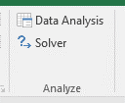
Note: Excel Data Analysis & Solver |  |  | Midpoint values of the table into that box. Then click "OK".
Frequnecy Histogram
A frequency distribution of a data set can be created by using the
Data Analysis ToolPak of Excel. The Data Analysis ToolPak is available
under the Data Menu. If you do not see the Data Analysis option
in the top right corner of the Data ribbon, follow the following steps:
1. Click into the File menu, and select Options
2. Click into Add-ins in the Options dialog box
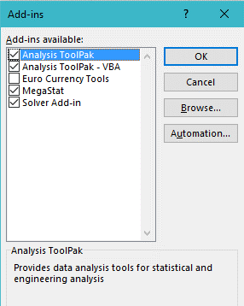
3. In the Add-ins page and at the bottom of the page, click into Go…
4. Check the options Analysis ToolPak and Solver Add-in in the
Add-ins dialog box.
5. Click OK.
 |  |  | To make the second change, right-click into one of the bars
 |  |  | and select "Format Data Series…". Then reduce the
 |  |  | "Gap Width" to a small number (such as 5%).

Frequnecy Histogram

Using the Data Analysis ToolPak
Descriptive Statistics Using the Data Analysis ToolPak: | Grades | Creating a Frequency Distribution Using the Data Analysis | Bin | Frequency | Performing Numerical Descriptive Statistics Using the Data Analysis ToolPak | Grades
A graphical and numerical description of data can be obtained by using the | 97 |  | 61 | 2
Data Analysis ToolPak of Excel. The Data Analysis ToolPak is available | 97 | 1. Click into the Data menu, then select Data Analysis | 68.2 | 2 | 1. Click into the Data menu, then select Data Analysis | Mean | 78.6
under the Data Menu. If you do not see the Data Analysis option | 96 | 2. In the Data Analysis dialog box, select Histogram | 75.4 | 7 | 2. In the Data Analysis dialog box, select Descriptive Statistics | Standard Error | 2.1079215672
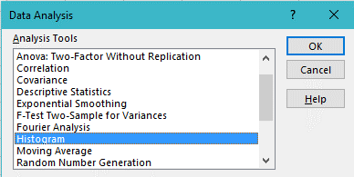
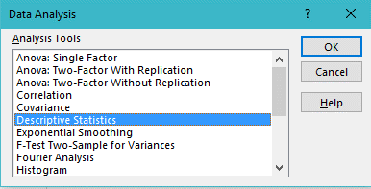
in the top right corner of the Data ribbon, follow the following steps: | 91 |  | 82.6 | 5 |  | Median | 76
1. Click into the File menu, and select Options | 90 |  | 89.8 | 4 |  | Mode | 75
2. Click into Add-ins in the Options dialog box | 87 |  | More | 5 |  | Standard Deviation | 10.539607836
3. In the Add-ins page and at the bottom of the page, click into Go… | 85 |  |  |  |  | Sample Variance | 111.08333333
4. Check the options Analysis ToolPak and Solver Add-in in the | 83 |  |  |  |  | Kurtosis | -0.62061272311
Add-ins dialog box. | 83 |  |  |  |  | Skewness | 0.173797955
5. Click OK. | 82 |  |  |  |  | Range | 36
 | 80 |  |  |  |  | Minimum | 61
 | 77 |  |  |  |  | Maximum | 97
 | 76 |  |  |  |  | Sum | 1965
 | 76 |  |  |  |  | Count | 25
 | 75 | 3. In the Histogram dialog box, |  |  | 3. In the Descriptive dialog box,
 | 75 | Highlight the data range in the Input Range box. In this |  |  | Highlight the data range in the Input Range box. In this
 | 75 | example, data is occupying cells E1 through E26. |  |  | example, data is occupying cells E1 through E26.
 | 73 | If you have included the top cell with the data range, |  |  | If you have included the top cell with the data range,
 | 70 | then check the Labels box; otherwise do not check it. |  |  | then check the Labels in first row ; otherwise do not check it.
 | 70 | Check the option Output Range, click into the Output |  |  | Check the option Output Range, click into the Output
 | 66 | Range box, and then click into any cell in your worksheet |  |  | Range box, and then click into any cell in your worksheet
 | 64 | where you wish the frequency distribution table to begin. |  |  | where you wish the numerical descriptive statistics table to begin.
 | 61 | In this case, cell H1 has been selected so a frequency |  |  | In this case, cell M1 has been selected so a numerical descriptive
 | 75 | distribution table will appear in cells H1 through I7 of this |  |  | statistics table will appear in cells M1 through N15 of this
 | 61 | worksheet. When done, click into OK. |  |  | worksheet. When done, click into OK.
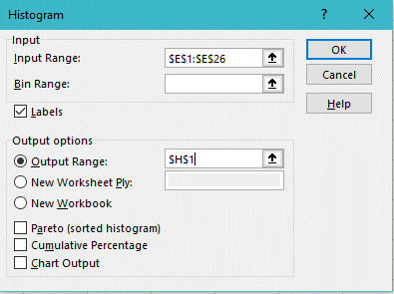
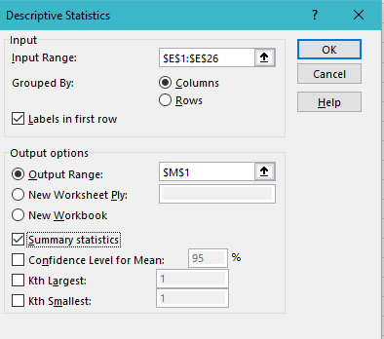

 |  | 4. Highlight the numerical values of your frequency
 |  | distribution table, click into the Inset menu, and select
 |  | a bar type chart from the collection of chart types available.
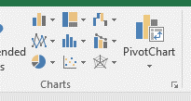

 |  | 5. Next, follow the steps described in the previous worksheet
 |  | to reduce the Gap Width in your chart.

Frequency Distribution

